Prob
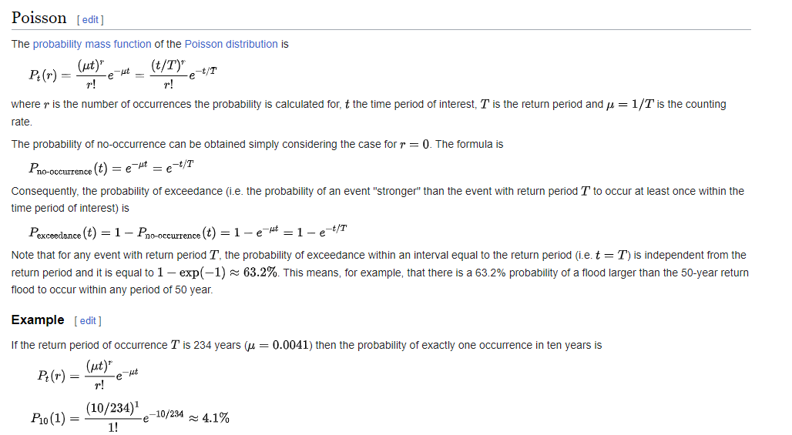
Exceedance Probability Calculations
Design Life (years) |  |  |  |  | 3 | Adjust the shaded cell only

Design EY | Design AEP % | Design AEP (1 in X) | Design ARI | Infrastructure Design Life (years) | Exceedance Probability During Infrastructure Design Life
1.0 | 63.21% | 1.58 | 1.00 | 3 | 95.0% |  | Converting between EY, AEP and ARI | tonyladson (wordpress.com)
0.7 | 50.0% | 2.00 | 1.44 | 3 | 87.5%
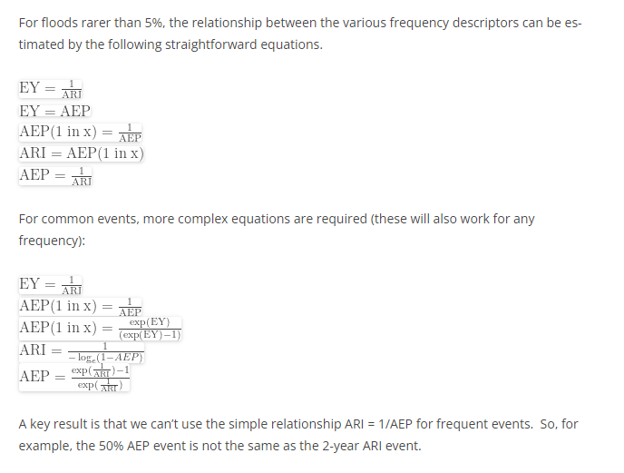
0.5 | 39.3% | 2.54 | 2.00 | 3 | 77.7%
0.2 | 20.0% | 5.00 | 4.48 | 3 | 48.8%
0.2 | 18.1% | 5.52 | 5.00 | 3 | 45.1%
0.1 | 10.0% | 10.00 | 9.49 | 3 | 27.1%
0.1 | 5.0% | 20.00 | 19.50 | 3 | 14.3%
0.0 | 4.0% | 25.00 | 24.50 | 3 | 11.5%
0.0 | 2.0% | 50.00 | 49.50 | 3 | 5.9%
0.0 | 1.0% | 100.00 | 99.50 | 3 | 3.0%
0.0 | 0.5% | 200.00 | 199.50 | 3 | 1.5%
0.0 | 0.4% | 250.00 | 249.50 | 3 | 1.2%
0.0 | 0.2% | 500.00 | 499.50 | 3 | 0.6%
0.0 | 1.0% | 100.00 | 99.50 | 3 | 3.0%
0.0 | 0.1% | 2000.00 | 1999.50 | 3 | 0.1%
0.0 | 0.0% | 5000.00 | 4999.50 | 3 | 0.1%
0.0 | 0.0% | 10000.00 | 9999.50 | 3 | 0.0%
0.0 | 0.0% | 50000.00 | 49999.50 | 3 | 0.0%
0.0 | 0.0% | 100000.00 | 99999.50 | 3 | 0.0%
0.0 | 0.0% | 250000.00 | 249999.50 | 3 | 0.0%
0.0 | 0.0% | 500000.00 | 499999.50 | 3 | 0.0%
0.0 | 0.0% | 1000000.00 | 999999.50 | 3 | 0.0%
 |  |  |  |  | P = 1 - exp(-L/Y)

Source:
Australian Rainfall And Runoff (2001) (Book3) pg 10.
Probability assuming multiple flood events per year

P = 1 - exp(-L/Y)
Where; Y = the return period of a given flood event (ARI)
L = the Design Life in years
P = Exceedance Probability during the Design Life

Using Poisson distribution
from wikipedia:
Probability distributions[edit]
One would like to be able to interpret the return period in probabilistic models. The most logical interpretation for this is to take the return period as the counting rate in a Poisson distribution since it is the expectation value of the rate of occurrences. An alternative interpretation is to take it as the probability for a yearly Bernoulli trial in the binomial distribution. That is disfavoured because each year does not represent an independent Bernoulli trial but is an arbitrary measure of time. This question is mainly academic as the results obtained will be similar under both the Poisson and binomial interpretations.

